Berechnungen
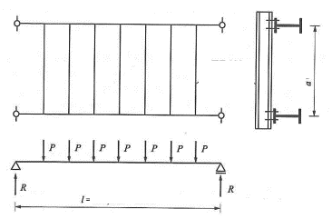
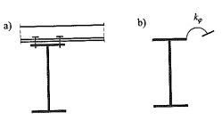
 |  |  |  |  |  |  | ms = | 1.028 | [kN cm/cm]

 |  |  |  |  |  |  | alfa K = | 0.06 | [-]
 |  |  |  |  |  |  | k = | 1.12 | [-]

 |  |  |  |  |  |  | MS = | 154.2 | [kN cm]
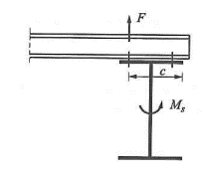
 |  |  |  |  |  |  | F = | 6.70 | [kN]

 |  |  |  |  |  |  | ab = | 11.5 | [cm]

 | Haupträger: | Nebeträger |  | MEd = | 90 | [kNm]
 | IPE300 | IPE100 |  | E = | 210 | [GPa]
h [mm] | 300 | 100
b [mm] | 150 | 55
tw [mm] | 7.1 | 4.1
tf [mm] | 10.7 | 5.7 |  |  |  | k fi,erf
A [cm²] | 53.8 | 10.3
Iy [cm4] | 8360 | 171
Wel,y [cm3] | 557 | 34.2
Wpl,y [cm3] | 628.4 | 39.41
Iz [cm4] | 604 | 15.9
Wel,z [cm3] | 80.7 | 5.79 |  | EIN-FELD-TRÄGER
IT [cm4] | 20.1 | 1.2
MRd,pl,y [kNcm] | 14767.4 | 926.135 |  |  | 24.1 | [kNcm/cm]

Stahlgüte: | S235 | S235
fyd [N/mm²] | 235 | 235

 |  |  | k fi, vorh = | 53.4 | [-]
 |  |  |  | OK

 |  | k fi,1 = | 239.4 | [kNcm/cm]

n = | 2 | [-]
a (P) = | 1.5 | [m]
a = | 2 | [m]

 |  | k fi,2 = | 0 | [kNcm/cm]

 |  | k fi,3 = | 68.71 | [kNcm/cm]

c = | 0.5
u = | 0.3

